DASHBOARD
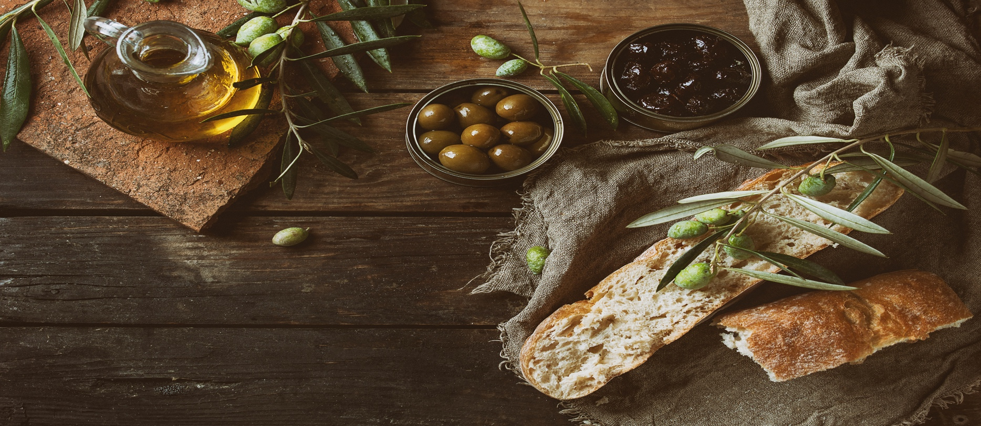

Total Sales by Region
 | Total
Central East | 1475
N Central East | 1805
N Central West | 158
Northeast | 1263
Northwest | 508
S Central East | 1990
S Central West | 701
Southeast | 1510
Southwest | 1606



% of Sales per Region
 | Total
Central East | 13.96%
N Central East | 16.53%
N Central West | 1.07%
Northeast | 11.72%
Northwest | 4.53%
S Central East | 18.80%
S Central West | 5.93%
Southeast | 13.58%
Southwest | 13.89%

Sheet1
Row Labels | Sum of Quantity
Shantel Francis | 475
Brenda Albury | 493
Daniel Burgess | 497
Kendra Barnbrook | 501
Dru Clingman | 513
Nick Chen | 594
Lisa Frere | 595
Colby Hallberg | 636
Paul Massimo | 656
Alyssa Smoak | 720
Grand Total | 5680

Row Labels | Sum of Order Total
2019 | 737903.6
Qtr1 | 95359.58
Feb | 50082.57
Mar | 45277.01
Qtr2 | 211720.23
Apr | 43388.29
May | 90360.56
Jun | 77971.38
Qtr3 | 222424.76
Jul | 78238.22
Aug | 80427.72
Sep | 63758.82
Qtr4 | 208399.03
Oct | 79357.81
Nov | 45047.25
Dec | 83993.97
2020 | 925982.34
Qtr1 | 242257.11
Jan | 74364.89
Feb | 82808.91
Mar | 85083.31
Qtr2 | 202671.16
Apr | 66554.25
May | 65474.89
Jun | 70642.02
Qtr3 | 236258.09
Jul | 63743.59
Aug | 84124.76
Sep | 88389.74
Qtr4 | 244795.98
Oct | 93226.37
Nov | 83072.15
Dec | 68497.46
2021 | 44815.86
Qtr1 | 44815.86
Jan | 44815.86
Grand Total | 1708701.8

